Data
Forecast GDP Q2 2025 - Q4 2026 |  |  | cara ngitung balikin ke QoQ biasa (Q2 banding Q1 gimana krn gak di annualized) |  |  |  |  |  | Forecast GDP Q2 2025 - Q4 2026
 | % | Real GDP | % | Real GDP | % | Real GDP |  |  |  | % | Real GDP | % | Real GDP | % | Real GDP
 | Real GDP Brazil | Brazil | Real GDP Canada | Canada | Real GDP Mexico | Mexico |  |  |  | Real GDP Brazil | Brazil | Real GDP Canada | Canada | Real GDP Mexico | Mexico
Q4 2026 | 2.0 | 3.75 | 2.0 | 2,118 | 1.7 | 0.41 |  |  | Q4 2026 | 2.0 | 350,202 | 2.0 | 627,902 | 1.7 | 6,514,317
Q3 2026 | 1.7 | 4.20 | 2.0 | 2,463 | 1.5 | 1.63 |  |  | Q3 2026 | 1.7 | 349,330 | 2.0 | 620,998 | 1.5 | 6,499,554
Q2 2026 | 1.6 | 3.47 | 1.8 | 2,555 | 1.2 | 2.23 |  |  | Q2 2026 | 1.6 | 347,237 | 1.8 | 605,040 | 1.2 | 6,419,440
Q1 2026 | 1.4 | 2.89 | 1.5 | 2,055 | 1.1 | 0.91 |  |  | Q1 2026 | 1.4 | 346,762 | 1.5 | 623,271 | 1.1 | 6,431,189
Q4 2025 | 1.8 | 3.67 | 0.8 | 2,076 | 0.9 | 0.40 |  |  | Q4 2025 | 1.8 | 343,336 | 0.8 | 615,590 | 0.9 | 6,405,425
Q3 2025 | 1.9 | 4.13 | 0.2 | 2,415 | 0.2 | 1.60 |  |  | Q3 2025 | 1.9 | 343,490 | 0.2 | 608,822 | 0.2 | 6,403,502
Q2 2025 | 2.2 | 3.41 | -1.6 | 2,510 | 0.1 | 2.20 |  |  | Q2 2025 | 2.2 | 341,768 | -1.6 | 594,341 | 0.1 | 6,343,320
Q1 2025 | - | 2.85 | - | 2,025 | - | 0.90 |  |  | Q1 2025 | - | 341,974 | - | 614,060 | - | 6,361,216
Q4 2024 | - | 3.61 | - | 2,060 | - | 0.40 |  |  | Q4 2024 | - | 337,265 | - | 610,704 | - | 6,348,290
Q3 2024 | - | 4.05 | - | 2,410 | - | 1.60 |  |  | Q3 2024 | - | 337,086 | - | 607,606 | - | 6,390,720
Q2 2024 | - | 3.34 | - | 2,551 | - | 2.20 |  |  | Q2 2024 | - | 334,411 | - | 604,006 | - | 6,336,983
Q1 2024 | - | 2.56 | - | 2,145 | - | 1.50 |  |  | Q1 2024 | - | 329,555 | - | 600,216 | - | 6,325,217

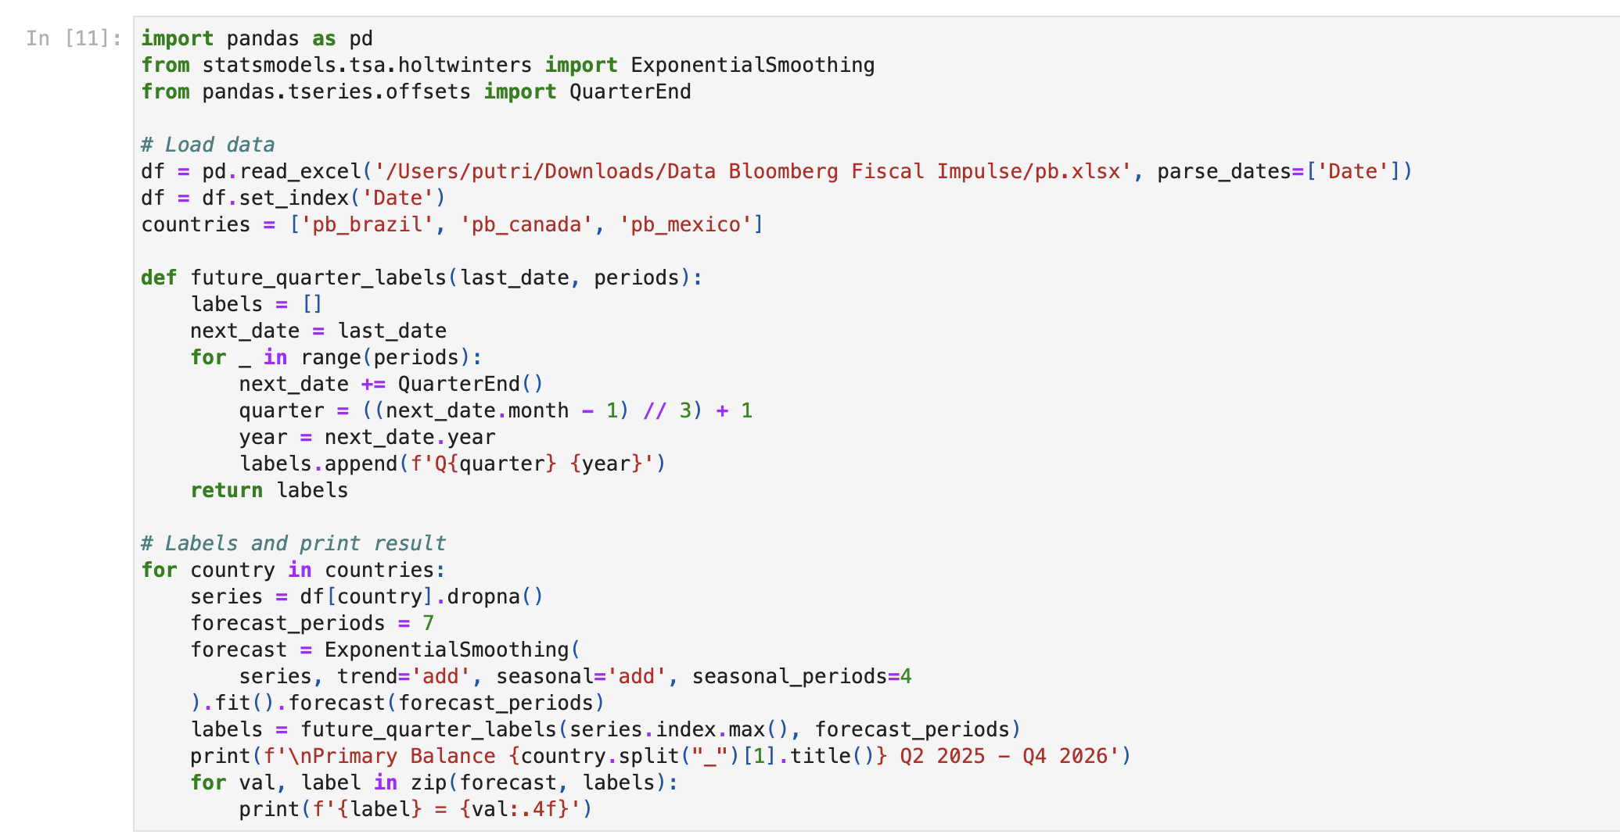
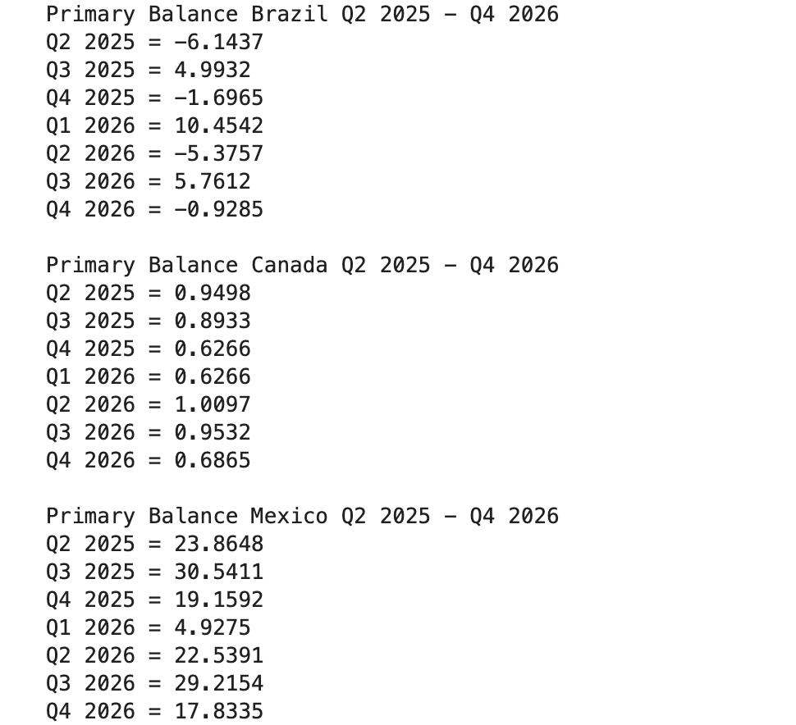
Primary Balance (Holt Winters Exponential Smoothing Forecast)
 | Primary Balance | Primary Balance | Primary Balance
 | Brazil | Canada | Mexico
Q4 2026 | -0.9285 | 0.6865 | 17.8335
Q3 2026 | 5.7612 | 0.9532 | 29.2154
Q2 2026 | -5.3757 | 1.0097 | 22.5391
Q1 2026 | 10.4542 | 0.6266 | 4.9275
Q4 2025 | -1.6965 | 0.6266 | 19.1592
Q3 2025 | 4.9932 | 0.8933 | 30.5411
Q2 2025 | -6.1437 | 0.9498 | 23.8648
Q1 2025 | 3.588 | (1.058) | (46.11)
Q4 2024 | 15.745 | (1.185) | (317.65)
Q3 2024 | (7.340) | (1.168) | (34.54)
Q2 2024 | (40.873) | (0.997) | 48.62
Q1 2024 | 1.177 | (5.194) | 4.30

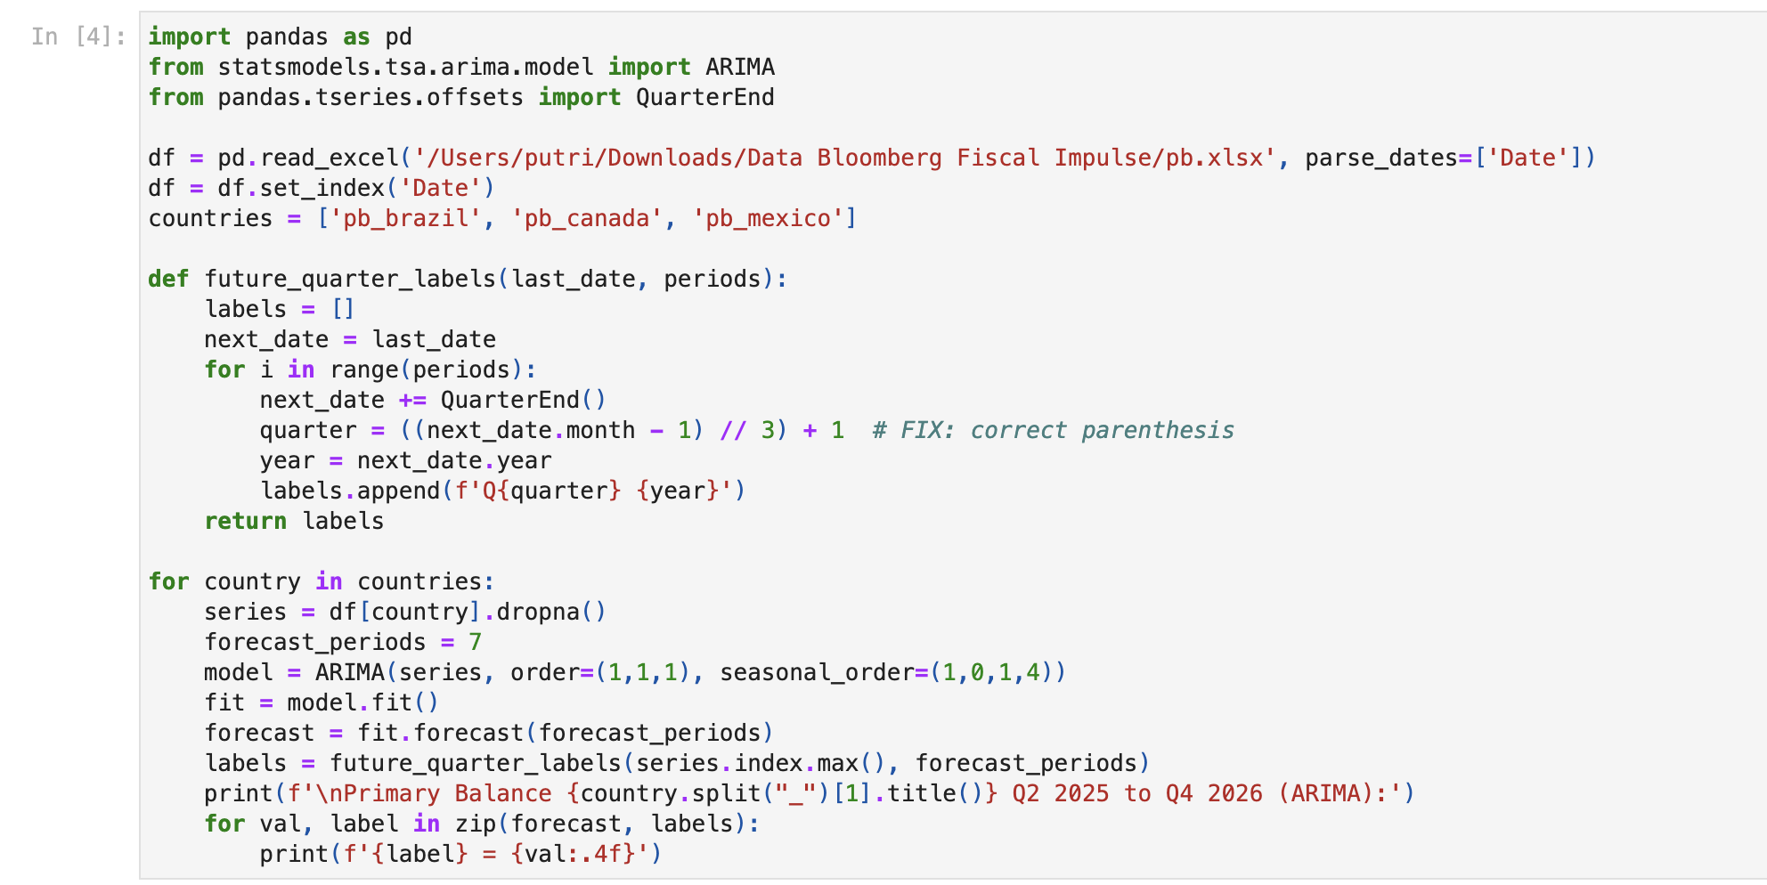
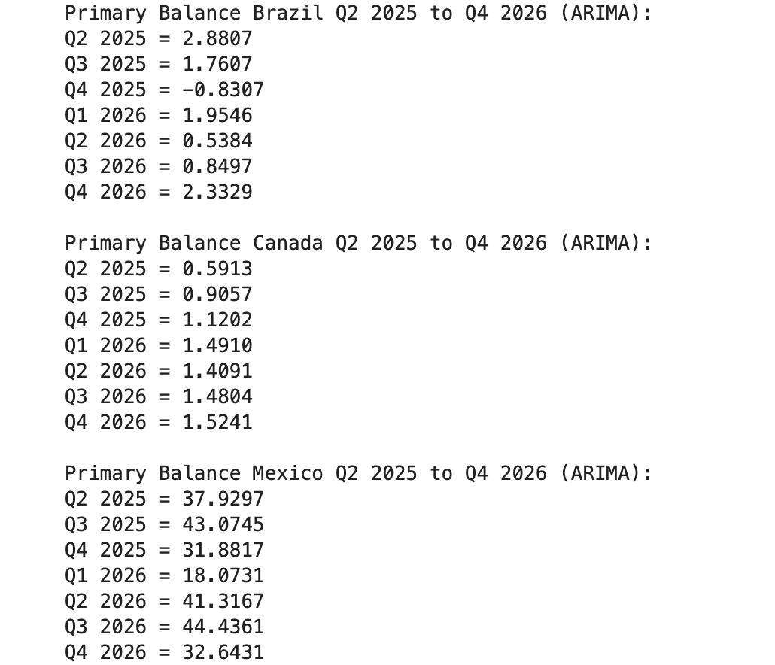
Primary Balance (ARIMA Forecast)
 | Primary Balance | Primary Balance | Primary Balance
 | Brazil | Canada | Mexico
Q4 2026 | 2.3329 | 1.5241 | 32.6431
Q3 2026 | 0.8497 | 1.4804 | 44.4361
Q2 2026 | 0.5384 | 1.4091 | 41.3167
Q1 2026 | 1.9546 | 1.4910 | 18.0731
Q4 2025 | (0.8307) | 1.1202 | 31.8817
Q3 2025 | 1.7607 | 0.9057 | 43.0745
Q2 2025 | 2.8807 | 0.5913 | 37.9297
Q1 2025 | 3.5880 | (1.0576) | (46.1067)
Q4 2024 | 15.7450 | (1.1855) | (317.6515)
Q3 2024 | (7.3400) | (1.1682) | (34.5365)
Q2 2024 | (40.8730) | (0.9967) | 48.6172
Q1 2024 | 1.1770 | (5.1945) | 4.3032

Pattern Primary Balance Per Quarter (1996-2025)
Brazil |  |  |  |  | Canada |  |  |  |  | Mexico
Kuartal | Rata-Rata | Fluktuasi (Std) | Pattern |  | Kuartal | Rata-Rata | Fluktuasi (Std) | Pattern |  | Kuartal | Rata-Rata | Fluktuasi (Std) | Pattern
Q1 | 0.79 | 10.06 | Surplus, Stabil |  | Q1 | -0.08 | 2.75 | Defisit, Stabil |  | Q1 | 40.07 | 75.53 | Surplus, Fluktuasi Tinggi
Q2 | -10.96 | 38.84 | Defisit, Fluktuasi Tinggi |  | Q2 | -0.04 | 4.47 | Defisit, Stabil |  | Q2 | 47.17 | 82.69 | Surplus, Fluktuasi Tinggi
Q3 | -4.32 | 17.33 | Defisit |  | Q3 | 0.23 | 3.06 | Surplus, Stabil |  | Q3 | 41.29 | 107.58 | Surplus, Fluktuasi Tinggi
Q4 | -15.44 | 31.46 | Defisit, Fluktuasi Tinggi |  | Q4 | 0.28 | 2.50 | Surplus, Stabil |  | Q4 | -32.89 | 130.11 | Defisit, Fluktuasi Tinggi

